QC
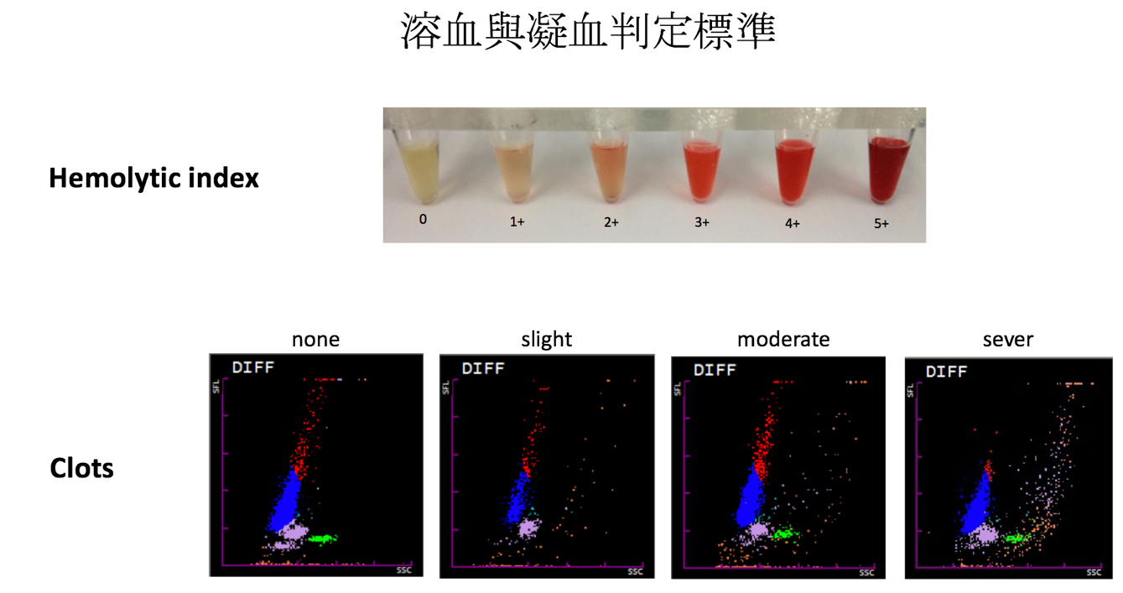
1. DIFF plot
2022-12-19

2022-12-22

2. 溶血紀錄
2022-12-19
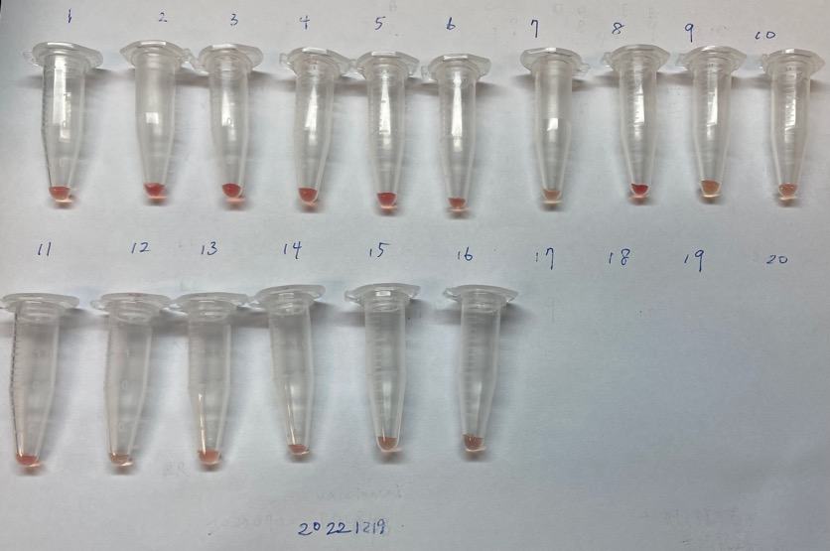

2022-12-22
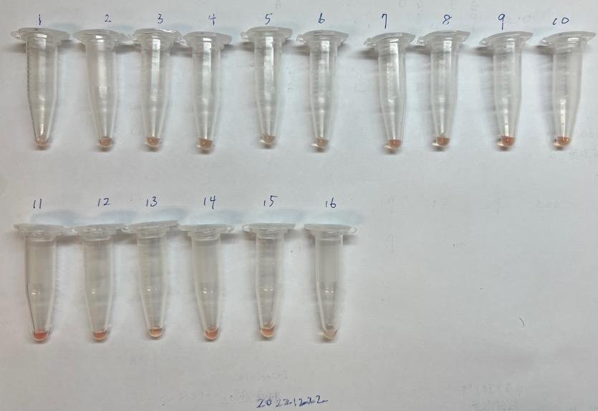

3. 判定標準

